Fig 1
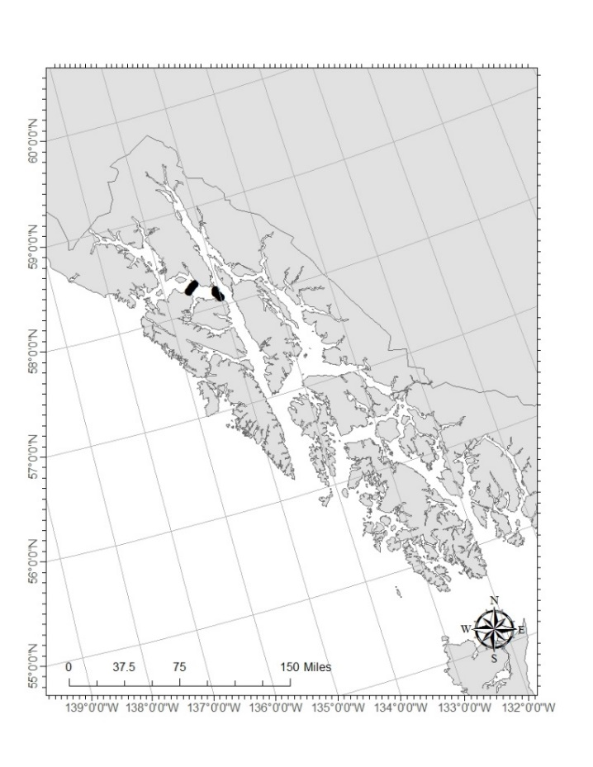
Figure 1. A map of Southeast Alaska identifying the eight stations (black dots) within Icy Strait sampled by the Southeast Alaska Coastal Monitoring survey.

Fig 2
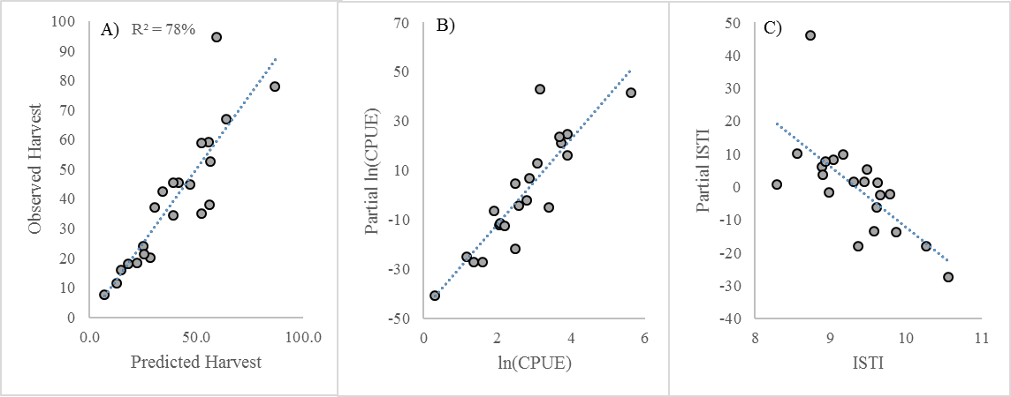
Figure 2. The harvest forecast model for Southeast Alaska pink salmon, 1997-2018 juvenile years. Plots are: A) the relationship between predicted and observed harvest (millions of fish), B) the partial residuals for the peak monthly catch-per-unit-effort, ln(CPUE), of juvenile pink salmon in Icy Strait, and C) the partial residuals for the May-August Icy Strait Temperature Index (ISTI) (°C). The model explains 78% (R2) of the variation in pink salmon harvest. | Harvest Year | Juv Year | SEAKCatch | CPUEcal | ISTI | Pred SEAKCatch | Pred Error SEAKCatch | Pred Error SEAKCatch |  |  | Partial CPUEcal | Partial ISTI | SUMMARY OUTPUT
 | 1998 | 1997 | 42.45 | 2.4775 | 9.4773698958 | 34.4 | 0 | 0 |  |  | 4.629144 | 5.4356357
 | 1999 | 1998 | 77.82 | 5.6225 | 9.5721117708 | 86.9 | 0 | 0 |  |  | 41.648515 | -13.5137393 | Regression Statistics
 | 2000 | 1999 | 20.25 | 1.5975 | 8.9746627083 | 28.4 | 0 | 0 |  |  | -26.920712 | -1.5652545 | Multiple R | 0.87775802103
 | 2001 | 2000 | 67.02 | 3.731 | 9.039820375 | 64.0 | 0 | 0 |  |  | 21.137309 | 8.3607688 | R Square | 0.77045914348
 | 2002 | 2001 | 45.32 | 2.869375 | 9.441361685 | 41.8 | 0 | 0 |  |  | 6.762456 | 1.5340356 | Adjusted R Square | 0.74495460386
 | 2003 | 2002 | 52.47 | 2.7847368421 | 8.556931 | 56.5 | 0 | 0 |  |  | -2.219688 | 10.1471939 | Standard Error | 11.33405006
 | 2004 | 2003 | 45.31 | 3.0775 | 9.7843743536 | 39.1 | 0 | 0 |  |  | 12.990188 | -2.0662433 | Observations | 21
 | 2005 | 2004 | 59.12 | 3.9008333333 | 9.6561486871 | 55.6 | 0 | 0 |  |  | 24.601912 | -2.4746662
 | 2006 | 2005 | 11.61 | 2.0405 | 10.260083349 | 12.5 | 0 | 0 |  |  | -11.912977 | -17.8589868 | ANOVA
 | 2007 | 2006 | 44.8 | 2.5785 | 8.884260125 | 47.0 | 0 | 0 |  |  | -4.023306 | 6.0388675 |  | df | SS | MS | F | Significance F
 | 2008 | 2007 | 15.9 | 1.1671428571 | 9.3097342351 | 14.9 | 0 | 0 |  |  | -25.027376 | 1.5275872 | Regression | 2 | 7761.2625262 | 3880.6312631 | 30.208706181 | 1.7690494821E-06
 | 2009 | 2008 | 37.95 | 2.4860714286 | 8.2907741244 | 56.3 | 0 | 0 |  |  | -21.612111 | 0.8632026 | Residual | 18 | 2312.2924337 | 128.46069076
 | 2010 | 2009 | 24.03 | 2.0871428571 | 9.6125 | 25.2 | 0 | 0 |  |  | -11.401873 | -6.2366999 | Total | 20 | 10073.55496
 | 2011 | 2010 | 58.86 | 3.674 | 9.6175 | 52.4 | 0 | 0 |  |  | 23.612539 | 1.1870428
 | 2012 | 2011 | 21.25 | 1.3496428571 | 8.9 | 25.5 | 0 | 0 |  |  | -27.181934 | 3.7377223 |  | Coefficients | Standard Error | t Stat | P-value | Lower 95% | Upper 95% | Lower 95.0% | Upper 95.0%
 | 2013 | 2012 | 94.7 | 3.1482142857 | 8.7275 | 59.7 | 0 | 0 |  |  | 43.144443 | 46.116845 | Intercept | 165.17932304 | 43.639746068 | 3.7850660906 | 0.0013557655949 | 73.495618699 | 256.86302739 | 73.495618699 | 256.86302739
 | 2014 | 2013 | 37.2 | 1.9142857143 | 9.161 | 30.5 | 0 | 0 |  |  | -6.513572 | 9.8871698 | CPUEcal | 17.232309554 | 2.2709150758 | 7.5882668346 | 5.157905931E-07 | 12.46129402 | 22.003325088 | 12.46129402 | 22.003325088
 | 2015 | 2014 | 35.1 | 3.3995652174 | 9.365 | 52.3 | 0 | 0 |  |  | -4.743722 | -17.8459547 | ISTI | -18.304926574 | 4.8148833802 | -3.8017383037 | 0.0013063201129 | -28.420621189 | -8.1892319596 | -28.420621189 | -8.1892319596
 | 2016 | 2015 | 18.4 | 2.1928571429 | 9.86350875 | 22.4 | 0 | 0 |  |  | -12.474301 | -13.7183416
 | 2017 | 2016 | 34.3 | 3.8904761905 | 10.555625 | 39.0 | 0 | 0 |  |  | 16.108095 | -27.2897483
 | 2018 | 2017 | 7.65 | 0.309375 | 8.9303996875 | 7.0 | 0 | 0 | LCI | UCI | -40.603029 | 7.7335635
 | 2019 | 2018 | 18.0 | 1.2337650621 | 9.2 | 18.0 | 3.3 | 8.0 | 14.7 | 26.0

A)
B)
C)

Fig 3
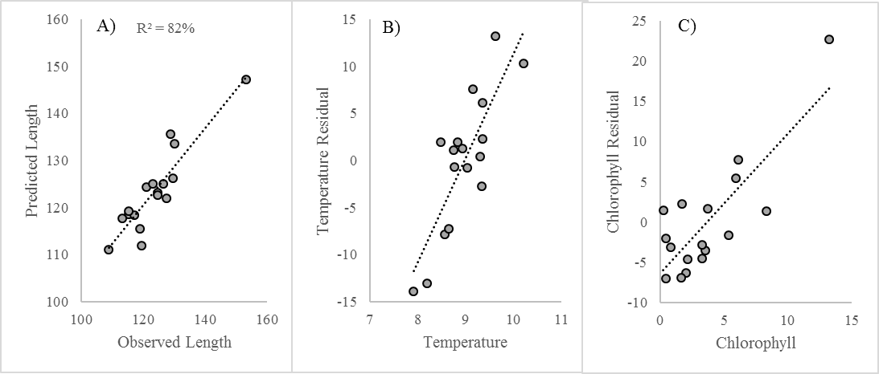
Figure 3. The growth model for Southeast Alaska pink salmon in Icy Strait, 1999-2015 juvenile years. Figures included are: A) the relationship between observed and predicted lengths (fork length mm) of juvenile pink salmon on July 24th, B) partial residuals for the May-July Icy Strait Temperature Index (°C), and C) partial residuals for May Chlorophyll (ug/L). This model explains 82% (R2) of the variation in the average length of juvenile pink salmon. | Year | MayJulISTI | MayChla | July24Size | Predicted | Partial MayChla | Partial MayJulISTI | SUMMARY OUTPUT
 | 1999 | 8.55974875 | 3.543333333 | 115.27 | 118.60779339 | -3.547483 | -7.8614867
 | 2000 | 8.770015222 | 5.9 | 126.57 | 125.04915824 | 5.416112 | -0.6664462 | Regression Statistics
 | 2001 | 9.025532733 | 0.446666667 | 116.97 | 118.38948904 | -7.023107 | -0.7675584 | Multiple R | 0.90580853741
 | 2002 | 8.199539167 | 5.33125 | 113.19 | 117.71955649 | -1.624964 | -13.0557691 | R Square | 0.82048910645
 | 2003 | 9.307691013 | 2.03 | 120.87 | 124.28265925 | -6.258348 | 0.3745127 | Adjusted R Square | 0.79484469309
 | 2004 | 9.333084187 | 8.33425 | 128.74 | 135.54587596 | 1.329492 | -2.7365442 | Standard Error | 4.4824921724
 | 2005 | 10.20637217 | 1.664285714 | 130.2 | 133.63146151 | -6.91417 | 10.3415321 | Observations | 17
 | 2006 | 8.75081725 | 0.478666667 | 118.9 | 115.39268864 | -2.040568 | 1.1067024
 | 2007 | 8.936006202 | 3.713071827 | 124.7 | 123.08428977 | 1.701679 | 1.2728543 | ANOVA
 | 2008 | 7.911831676 | 3.286960535 | 108.79 | 110.96180908 | -2.828062 | -13.8949238 |  | df | SS | MS | F | Significance F
 | 2009 | 9.356666667 | 2.161118338 | 123.06 | 125.05524755 | -4.612548 | 2.3361242 | Regression | 2 | 1285.7280714 | 642.86403571 | 31.994847953 | 6.0066961133E-06
 | 2010 | 9.353333333 | 0.830797628 | 124.55 | 122.70098981 | -3.085509 | 6.1433432 | Residual | 14 | 281.29830506 | 20.092736076
 | 2011 | 8.653333333 | 3.258995023 | 115.33 | 119.15239696 | -4.527361 | -7.3062121 | Total | 16 | 1567.0263765
 | 2012 | 8.476666667 | 0.247797868 | 119.32 | 111.94428723 | 1.425695 | 1.9288412
 | 2013 | 8.834666667 | 6.131821346 | 129.58 | 126.17133981 | 7.707728 | 1.9397558 |  | Coefficients | Standard Error | t Stat | P-value | Lower 95% | Upper 95% | Lower 95.0% | Upper 95.0%
 | 2014 | 9.143333333 | 1.694453778 | 127.52 | 121.87190471 | 2.217935 | 7.6089838 | Intercept | 17.322990725 | 18.297714952 | 0.94672972939 | 0.35983186433 | -21.921704724 | 56.567686174 | -21.921704724 | 56.567686174
 | 2015 | 9.618011667 | 13.22971501 | 153.24 | 147.23905257 | 22.66348 | 13.2362908 | MayJulISTI | 11.111640168 | 2.0490060879 | 5.4229415097 | 8.9824364121E-05 | 6.7169591871 | 15.506321149 | 6.7169591871 | 15.506321149
 | 2016 | 10.19516667 |  | 145.13 |  |  |  | MayChla | 1.741849847 | 0.33609437963 | 5.18262117 | 0.00013893381716 | 1.0209990957 | 2.4627005983 | 1.0209990957 | 2.4627005983
 | 2017 | 8.560532917 |  | 120.6908622
 | 2018 | 8.923666667 | 4.552109155 | 108.5545966

 |  | MayChla | MayJulISTI
 | 1 | -3.547483 | -7.8614867
 | 2 | 5.416112 | -0.6664462
 | 3 | -7.023107 | -0.7675584
 | 4 | -1.624964 | -13.0557691
 | 5 | -6.258348 | 0.3745127
 | 6 | 1.329492 | -2.7365442
 | 7 | -6.91417 | 10.3415321
 | 8 | -2.040568 | 1.1067024
A)
B)
C)
 | 9 | 1.701679 | 1.2728543
 | 10 | -2.828062 | -13.8949238
 | 11 | -4.612548 | 2.3361242
 | 12 | -3.085509 | 6.1433432
 | 13 | -4.527361 | -7.3062121
 | 14 | 1.425695 | 1.9288412
 | 15 | 7.707728 | 1.9397558
 | 16 | 2.217935 | 7.6089838
 | 17 | 22.66348 | 13.2362908
 |  | attr(,"constant")
 |  | 123.3412

Fig 4
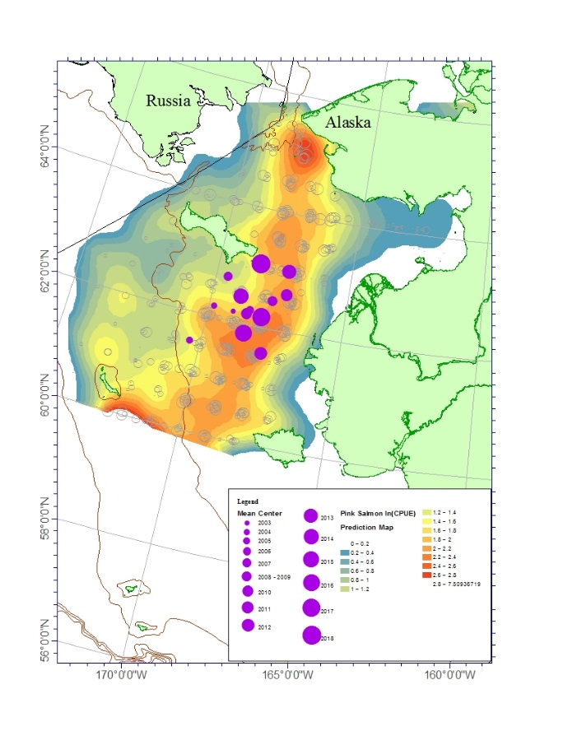
Figure 4. Spatial distribution of juvenile pink salmon based on catch-per-unit-effort (CPUE) data from surface trawl surveys in the northern Bering Sea, 2003–2018. Color contours are from local polynomial prediction surface of ln(CPUE+1) (hollow circles) created using ArcGIS software from Esri, and filled blue circles identify the spatial center of juvenile pink salmon distribution and are scaled by year.

Fig 5
Figure 5. The relationship between the juvenile pink salmon abundance index and adult returns to Norton Sound and the Yukon River for the 2004-2018 return years. This model explains 73% (R2) of the variation in adult pink salmon returns to the northern Bering Sea. | Juvenile Year | Average of log(cpue) | MLD adjustment | log(cpue)MLD | Norton Sound and Yukon River return (millions)
 | 2003 | 2.65 | 1.49 | 3.95 | 6.35
 | 2004 | 2.51 | 1.46 | 3.66 | 2.49
 | 2005 | 1.96 | 1.79 | 3.52 | 4.84
 | 2006 | 1.69 | 1.20 | 2.02 | 0.83
 | 2007 | 3.22 | 1.20 | 3.87 | 4.19
 | 2008 |  |  |  | 0.34
 | 2009 | 1.38 | 1.01 | 1.39 | 2.39
 | 2010 | 1.43 | 1.08 | 1.54 | 0.23
 | 2011 | 1.47 | 1.15 | 1.69 | 1.50
 | 2012 | 0.80 | 1.21 | 0.97 | 0.11
 | 2013 | 3.10 | 1.02 | 3.17 | 1.76
 | 2014 | 1.96 | 1.04 | 2.04 | 0.77
 | 2015 | 4.25 | 1.26 | 5.35 | 6.39
 | 2016 | 2.57 | 1.00 | 2.58 | 2.98
 | 2017 | 3.94 | 1.03 | 4.05 | 7.08

